Sheet1
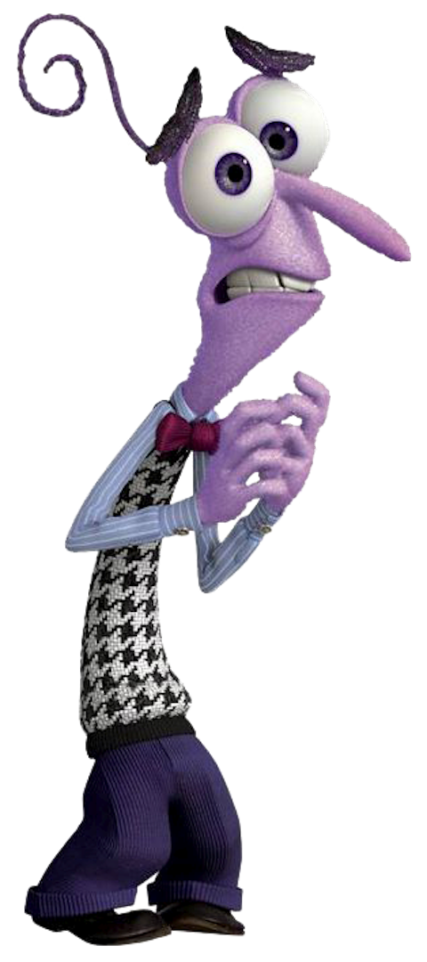
Anger clip | # of frames | Person with emotion | Landmark features | Aligns with theorem | Disgust clip | # of frames | Person with emotion | Landmark features | Aligns with Ekman's theorem | Fear clip | # of frames | Person with emotion | Landmark features | Aligns with theorem | Joy clip | # of frames | Person with emotion | Facial features | Aligns with video
3 | 82 | Chandler | Eyebrows pulled down, squinted eyes, lips rolled in and they may be tightened | Yes | 1 | 5 | Chandler | Raised upper lip, squinted eyes and eyebrows down, nose wrinkled. | Yes | 35 | 21 | Chandler | Eyebrows pulled up and together, upper eyelids pulled up, mouth stretched | Yes, moreso in voice however | 25 | 63 | Rachel | Muscle around the eyes tightened (orbicularis oculi), contracted eyes/squinted eyes, cheeks raised, lip corners raised diagonally. | Yes
7 | 29 | Rachel | Eyebrows pulled down, squinted eyes, lips rolled in and they may be tightened | No, neutral expression is shown | 2 | 52 | Rachel | Raised upper lip, squinted eyes and eyebrows down, nose wrinkled. | Yes, albeit a mixture with anger (refer to circumplex model and Posner in lit.) | 39 | 62 | Chandler | Eyebrows pulled up and together, upper eyelids pulled up, mouth stretched | Yes. | 26 | 25 | Ben | Muscle around the eyes tightened (orbicularis oculi), contracted eyes/squinted eyes, cheeks raised, lip corners raised diagonally. | Yes
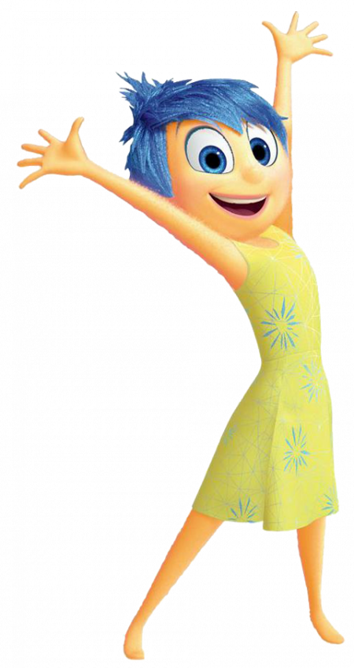
8 | 26 | Rachel | Eyebrows pulled down, squinted eyes, lips rolled in and they may be tightened | No, neutral expression is shown* | 41 | 156 | Chandler | Raised upper lip, squinted eyes and eyebrows down, nose wrinkled. | Yes. | 47 | 134 | Chandler | Eyebrows pulled up and together, upper eyelids pulled up, mouth stretched | Yes. | 28 | 12 | Ben | Muscle around the eyes tightened (orbicularis oculi), contracted eyes/squinted eyes, cheeks raised, lip corners raised diagonally. | Yes
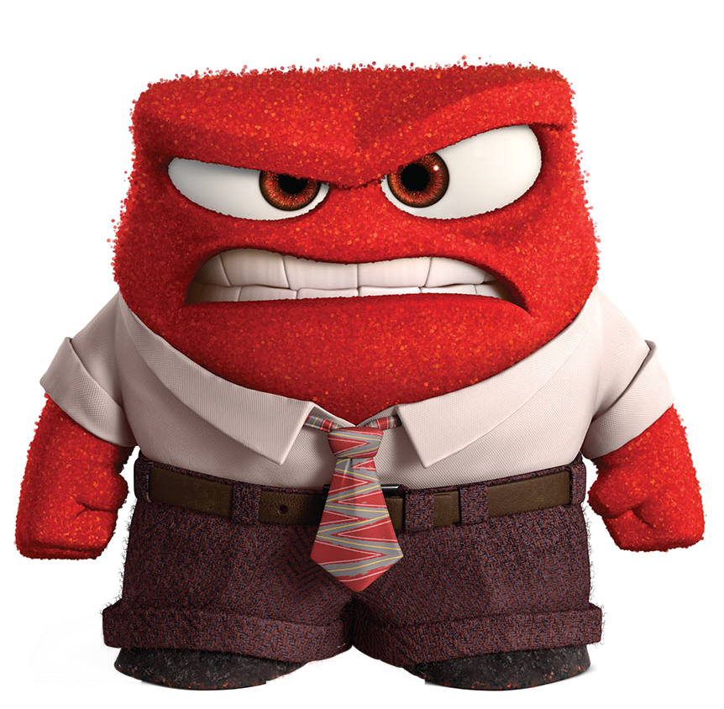
13 | 115 | Ross | Eyebrows pulled down, squinted eyes, lips rolled in and they may be tightened | No, neutral expression/slight sadness (see 12) | 43 | 152 | Chandler | Raised upper lip, squinted eyes and eyebrows down, nose wrinkled. | Yes. | 48 | 50 | Chandler | Eyebrows pulled up and together, upper eyelids pulled up, mouth stretched | Yes, no mouth wide open, though. | 30 | 42 | Rachel | Muscle around the eyes tightened (orbicularis oculi), contracted eyes/squinted eyes, cheeks raised, lip corners raised diagonally. | Yes
72 | 46 | Phoebe | Eyebrows pulled down, squinted eyes, lips rolled in and they may be tightened | No, slightly audible in voice, though. | 56 | 38 | Chandler | Raised upper lip, squinted eyes and eyebrows down, nose wrinkled. | Yes, albeit a mixture with anger. | 86 | 76 | Rachel | Eyebrows pulled up and together, upper eyelids pulled up, mouth stretched | No, while there's signs of the landmarks, it is not fear due to the mouth being stretched to speak rather than accentuate emotion. | 31 | 35 | Rachel | Muscle around the eyes tightened (orbicularis oculi), contracted eyes/squinted eyes, cheeks raised, lip corners raised diagonally. | Yes, turning neutral in later frames.
84 | 89 | Rachel | Eyebrows pulled down, squinted eyes, lips rolled in and they may be tightened | Yes. | 144 | 120 | Rachel | Raised upper lip, squinted eyes and eyebrows down, nose wrinkled. | Yes, more neutral towards the end, however. | 173 | 24 | Joey | Eyebrows pulled up and together, upper eyelids pulled up, mouth stretched | Yes. | 34 | 19 | Joey | Muscle around the eyes tightened (orbicularis oculi), contracted eyes/squinted eyes, cheeks raised, lip corners raised diagonally. | Yes
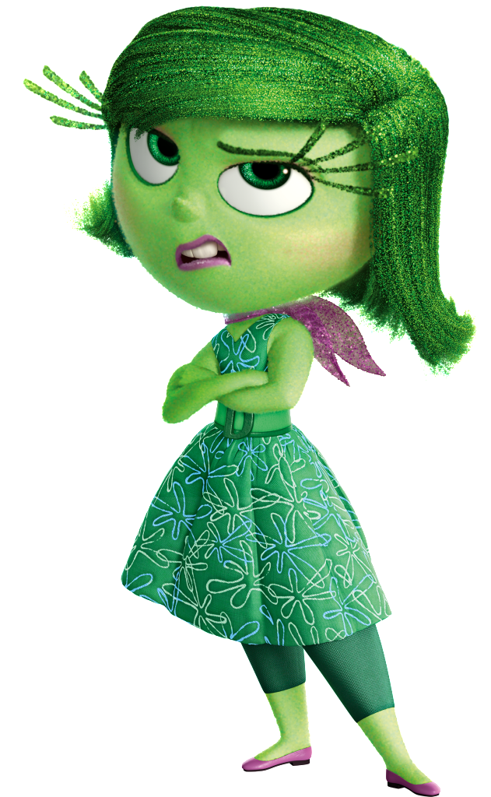
90 | 46 | Ross | Eyebrows pulled down, squinted eyes, lips rolled in and they may be tightened | Yes. The clip overlaps with 89, showing that it did detect the anger. | 218 | 17 | Rachel | Raised upper lip, squinted eyes and eyebrows down, nose wrinkled. | Yes. | 175 | 57 | Joey | Eyebrows pulled up and together, upper eyelids pulled up, mouth stretched | Yes. | 44 | 6 | Joey | Muscle around the eyes tightened (orbicularis oculi), contracted eyes/squinted eyes, cheeks raised, lip corners raised diagonally. | No, Joey's face is not present in the video. Only his voice.
112 | 114 | Phoebe | Eyebrows pulled down, squinted eyes, lips rolled in and they may be tightened | No, but it is yet again slightly audible in voice. | 219 | 52 | Rachel | Raised upper lip, squinted eyes and eyebrows down, nose wrinkled. | Yes. | 194 | 95 | Ross | Eyebrows pulled up and together, upper eyelids pulled up, mouth stretched | Yes. | 52 | 10 | Ross | Muscle around the eyes tightened (orbicularis oculi), contracted eyes/squinted eyes, cheeks raised, lip corners raised diagonally. | No, Ross' face is covered up by a phone in the video.
113 | 70 | Monica | Eyebrows pulled down, squinted eyes, lips rolled in and they may be tightened | Yes. Emotion is more audible than visible, though. | 226 | 28 | Phoebe | Raised upper lip, squinted eyes and eyebrows down, nose wrinkled. | Yes. | 196 | 90 | Ross | Eyebrows pulled up and together, upper eyelids pulled up, mouth stretched | Yes, albeit the latter frames show more of a faint joy than fear. | 54 | 132 | Joey | Muscle around the eyes tightened (orbicularis oculi), contracted eyes/squinted eyes, cheeks raised, lip corners raised diagonally. | Video doesn't align with the text or the landmarks.
122 | 41 | Richard | Eyebrows pulled down, squinted eyes, lips rolled in and they may be tightened | Yes. |  |  |  |  |  |  |  |  |  |  | 58 | 37 | Joey | Muscle around the eyes tightened (orbicularis oculi), contracted eyes/squinted eyes, cheeks raised, lip corners raised diagonally. | Yes.
125 | 62 | Joey | Eyebrows pulled down, squinted eyes, lips rolled in and they may be tightened | Yes. |  |  |  |  |  |  |  |  |  |  | 59 | 106 | Ross | Muscle around the eyes tightened (orbicularis oculi), contracted eyes/squinted eyes, cheeks raised, lip corners raised diagonally. | Yes, but transitioning into a neutral facial expression during it.
126 | 82 | Richard | Eyebrows pulled down, squinted eyes, lips rolled in and they may be tightened | Yes. |  |  |  |  |  |  |  |  |  |  | 79 | 60 | Rachel | Muscle around the eyes tightened (orbicularis oculi), contracted eyes/squinted eyes, cheeks raised, lip corners raised diagonally. | Yes.
127 | 153 | Joey | Eyebrows pulled down, squinted eyes, lips rolled in and they may be tightened | Yes |  |  |  |  |  |  |  |  |  |  | 80 | 29 | Ross | Muscle around the eyes tightened (orbicularis oculi), contracted eyes/squinted eyes, cheeks raised, lip corners raised diagonally. | Yes.
166 | 57 | Katie | Eyebrows pulled down, squinted eyes, lips rolled in and they may be tightened | Yes, however, it's more audible than visible due to angles. |  |  |  |  |  |  |  |  |  |  | 87 | 136 | Ross | Muscle around the eyes tightened (orbicularis oculi), contracted eyes/squinted eyes, cheeks raised, lip corners raised diagonally. | Yes.
185 | 129 | Dr. Green | Eyebrows pulled down, squinted eyes, lips rolled in and they may be tightened | Yes. |  |  |  |  |  |  |  |  |  |  | 91 | 255 | Ross | Muscle around the eyes tightened (orbicularis oculi), contracted eyes/squinted eyes, cheeks raised, lip corners raised diagonally. | No, neutral. Ross is merely saying some stuff without clear emotion.
187 | 43 | Ross | Eyebrows pulled down, squinted eyes, lips rolled in and they may be tightened | Yes. |  |  |  |  |  |  |  |  |  |  | 93 | 28 | Leslie | Muscle around the eyes tightened (orbicularis oculi), contracted eyes/squinted eyes, cheeks raised, lip corners raised diagonally. | Yes.
189 | 49 | Ross | Eyebrows pulled down, squinted eyes, lips rolled in and they may be tightened | Yes, his facial landmarks show it. |  |  |  |  |  |  |  |  |  |  | 94 | 26 | Phoebe | Muscle around the eyes tightened (orbicularis oculi), contracted eyes/squinted eyes, cheeks raised, lip corners raised diagonally. | Yes.
190 | 53 | Dr. Green | Eyebrows pulled down, squinted eyes, lips rolled in and they may be tightened | Yes, but the angle shows one side of his face so the data is unreliable. |  |  |  |  |  |  |  |  |  |  | 103 | 188 | Monica | Muscle around the eyes tightened (orbicularis oculi), contracted eyes/squinted eyes, cheeks raised, lip corners raised diagonally. | Yes.
193 | 7 | Dr. Green | Eyebrows pulled down, squinted eyes, lips rolled in and they may be tightened | Yes. |  |  |  |  |  |  |  |  |  |  | 105 | 218 | Phoebe | Muscle around the eyes tightened (orbicularis oculi), contracted eyes/squinted eyes, cheeks raised, lip corners raised diagonally. | Yes.
195 | 91 | Dr. Green | Eyebrows pulled down, squinted eyes, lips rolled in and they may be tightened | Yes, surprise in the first few frames however. |  |  |  |  |  |  |  |  |  |  | 106 | 85 | Mischa | Muscle around the eyes tightened (orbicularis oculi), contracted eyes/squinted eyes, cheeks raised, lip corners raised diagonally. | Yes, slight joy and slightly neutral simultaneously.
199 | 50 | Dr. Green | Eyebrows pulled down, squinted eyes, lips rolled in and they may be tightened | Yes. |  |  |  |  |  |  |  |  |  |  | 108 | 35 | Monica | Muscle around the eyes tightened (orbicularis oculi), contracted eyes/squinted eyes, cheeks raised, lip corners raised diagonally. | Yes.
200 | 24 | Chandler | Eyebrows pulled down, squinted eyes, lips rolled in and they may be tightened | No, more signs of disgust and a hint of sadness rather than anger. |  |  |  |  |  |  |  |  |  |  | 128 | 30 | Joey | Muscle around the eyes tightened (orbicularis oculi), contracted eyes/squinted eyes, cheeks raised, lip corners raised diagonally. | Yes
220 | 324 | Phoebe | Eyebrows pulled down, squinted eyes, lips rolled in and they may be tightened | No, more signs of a neutral expression. |  |  |  |  |  |  |  |  |  |  | 129 | 67 | Richard | Muscle around the eyes tightened (orbicularis oculi), contracted eyes/squinted eyes, cheeks raised, lip corners raised diagonally. | Yes.
238 | 13 | Chandler | Eyebrows pulled down, squinted eyes, lips rolled in and they may be tightened | No, covers his eyes and there's not a good angle to it. |  |  |  |  |  |  |  |  |  |  | 131 | 13 | Rachel | Muscle around the eyes tightened (orbicularis oculi), contracted eyes/squinted eyes, cheeks raised, lip corners raised diagonally. | No, more signs of fear, her mouth is slightly open and her eyebrows raised along with the corners of her lips slightly downwards.
241 | 65 | Monica | Eyebrows pulled down, squinted eyes, lips rolled in and they may be tightened | No, there are no clear signs of anger on Monica's face. |  |  |  |  |  |  |  |  |  |  | 138 | 49 | Danny | Muscle around the eyes tightened (orbicularis oculi), contracted eyes/squinted eyes, cheeks raised, lip corners raised diagonally. | Yes.
244 | 53 | Monica | Eyebrows pulled down, squinted eyes, lips rolled in and they may be tightened | Yes. |  |  |  |  |  |  |  |  |  |  | 145 | 131 | Rachel | Muscle around the eyes tightened (orbicularis oculi), contracted eyes/squinted eyes, cheeks raised, lip corners raised diagonally. | No, more signs of anger than anything resembling joy. Albeit, it's faked anger.
275 | 34 | Ross | Eyebrows pulled down, squinted eyes, lips rolled in and they may be tightened | Yes. |  |  |  |  |  |  |  |  |  |  | 148 | 31 | Rachel | Muscle around the eyes tightened (orbicularis oculi), contracted eyes/squinted eyes, cheeks raised, lip corners raised diagonally. | Yes, more audible than visible, however.
277 | 69 | Ross | Eyebrows pulled down, squinted eyes, lips rolled in and they may be tightened | Yes. |  |  |  |  |  |  |  |  |  |  | 154 | 53 | Danny | Muscle around the eyes tightened (orbicularis oculi), contracted eyes/squinted eyes, cheeks raised, lip corners raised diagonally. | Yes.
288 | 44 | Rachel | Eyebrows pulled down, squinted eyes, lips rolled in and they may be tightened | No, Rachel seems to be more confused by something than anything else. |  |  |  |  |  |  |  |  |  |  | 156 | 36 | Rachel | Muscle around the eyes tightened (orbicularis oculi), contracted eyes/squinted eyes, cheeks raised, lip corners raised diagonally. | Yes, hard to tell due to the angle and blurriness of the clip, however.
289 | 13 | Rachel | Eyebrows pulled down, squinted eyes, lips rolled in and they may be tightened | Yes. |  |  |  |  |  |  |  |  |  |  | 157 | 43 | Ross | Muscle around the eyes tightened (orbicularis oculi), contracted eyes/squinted eyes, cheeks raised, lip corners raised diagonally. | Yes.
290 | 30 | Phoebe | Eyebrows pulled down, squinted eyes, lips rolled in and they may be tightened | Yes. |  |  |  |  |  |  |  |  |  |  | 160 | 24 | Katie | Muscle around the eyes tightened (orbicularis oculi), contracted eyes/squinted eyes, cheeks raised, lip corners raised diagonally. | Yes.
299 | 28 | Phoebe | Eyebrows pulled down, squinted eyes, lips rolled in and they may be tightened | No, Phoebe doesn't show a single sign of anger at all, more neutrality than anything else. |  |  |  |  |  |  |  |  |  |  | 162 | 22 | Rachel | Muscle around the eyes tightened (orbicularis oculi), contracted eyes/squinted eyes, cheeks raised, lip corners raised diagonally. | Yes. Clip is not cropped accurately, however.
 |  |  |  |  |  |  |  |  |  |  |  |  |  |  | 168 | 80 | Phoebe | Muscle around the eyes tightened (orbicularis oculi), contracted eyes/squinted eyes, cheeks raised, lip corners raised diagonally. | While Phoebe shows joy, it is not cropped correctly nor is she speaking/the text spoken does not align.
 |  |  |  |  |  |  |  |  |  |  |  |  |  |  | 179 | 78 | Joey | Muscle around the eyes tightened (orbicularis oculi), contracted eyes/squinted eyes, cheeks raised, lip corners raised diagonally. | Yes.
 |  |  |  |  |  |  |  |  |  |  |  |  |  |  | 182 | 49 | Dr. Ledbetter | Muscle around the eyes tightened (orbicularis oculi), contracted eyes/squinted eyes, cheeks raised, lip corners raised diagonally. | Yes.
 |  |  |  |  |  |  |  |  |  |  |  |  |  |  | 188 | 3 | Mona | Muscle around the eyes tightened (orbicularis oculi), contracted eyes/squinted eyes, cheeks raised, lip corners raised diagonally. | No, clip is 3 frames, her mouth is open, and it's nowhere near joy.
 |  |  |  |  |  |  |  |  |  |  |  |  |  |  | 191 | 82 | Ross | Muscle around the eyes tightened (orbicularis oculi), contracted eyes/squinted eyes, cheeks raised, lip corners raised diagonally. | No, Ross doesn't show a sign of joy in the clip.
 |  |  |  |  |  |  |  |  |  |  |  |  |  |  | 198 | 93 | Ross | Muscle around the eyes tightened (orbicularis oculi), contracted eyes/squinted eyes, cheeks raised, lip corners raised diagonally. | Yes
 |  |  |  |  |  |  |  |  |  |  |  |  |  |  | 208 | 75 | Chandler | Muscle around the eyes tightened (orbicularis oculi), contracted eyes/squinted eyes, cheeks raised, lip corners raised diagonally. | No, Chandler is fairly neutral on this clip.
 |  |  |  |  |  |  |  |  |  |  |  |  |  |  | 214 | 29 | Chandler | Muscle around the eyes tightened (orbicularis oculi), contracted eyes/squinted eyes, cheeks raised, lip corners raised diagonally. | There are no clear signs of joy in Chandler's face.
 |  |  |  |  |  |  |  |  |  |  |  |  |  |  | 235 | 1 | Mona | Muscle around the eyes tightened (orbicularis oculi), contracted eyes/squinted eyes, cheeks raised, lip corners raised diagonally. | No, it's one frame and it isn't an emotion close to/near joy.
 |  |  |  |  |  |  |  |  |  |  |  |  |  |  | 239 | 24 | Monica | Muscle around the eyes tightened (orbicularis oculi), contracted eyes/squinted eyes, cheeks raised, lip corners raised diagonally. | No, she can't be seen smiling nor does she have any other features of joy.
 |  |  |  |  |  |  |  |  |  |  |  |  |  |  | 245 | 11 | Rachel | Muscle around the eyes tightened (orbicularis oculi), contracted eyes/squinted eyes, cheeks raised, lip corners raised diagonally. | No, not a single sign of joy, it's just Rachel speaking.
 |  |  |  |  |  |  |  |  |  |  |  |  |  |  | 253 | 77 | Joey | Muscle around the eyes tightened (orbicularis oculi), contracted eyes/squinted eyes, cheeks raised, lip corners raised diagonally. | No, Joey is just talking and his facial expression but he's just got a neutral expression on his face.
 |  |  |  |  |  |  |  |  |  |  |  |  |  |  | 254 | 31 | Joey | Muscle around the eyes tightened (orbicularis oculi), contracted eyes/squinted eyes, cheeks raised, lip corners raised diagonally. | No, Joey is just talking and his facial expression but he's just got a neutral expression on his face.
 |  |  |  |  |  |  |  |  |  |  |  |  |  |  | 261 | 12 | Joey | Muscle around the eyes tightened (orbicularis oculi), contracted eyes/squinted eyes, cheeks raised, lip corners raised diagonally. | No, Joey is just talking and his facial expression but he's just got a neutral expression on his face.
 |  |  |  |  |  |  |  |  |  |  |  |  |  |  | 267 | 27 | Monica | Muscle around the eyes tightened (orbicularis oculi), contracted eyes/squinted eyes, cheeks raised, lip corners raised diagonally. | No, she's having her cheeks squeezed, there's no emotion at all.
 |  |  |  |  |  |  |  |  |  |  |  |  |  |  |  |  |  | Muscle around the eyes tightened (orbicularis oculi), contracted eyes/squinted eyes, cheeks raised, lip corners raised diagonally.
* = dialogue picked up is NOT the same dialogue as in the video |  |  |  |  |  |  |  |  |  |  |  |  |  |  |  |  |  | Muscle around the eyes tightened (orbicularis oculi), contracted eyes/squinted eyes, cheeks raised, lip corners raised diagonally.
 |  |  |  |  |  |  |  |  |  |  |  |  |  |  |  |  |  | Muscle around the eyes tightened (orbicularis oculi), contracted eyes/squinted eyes, cheeks raised, lip corners raised diagonally.

Sheet2
Neutral clip | # of frames | Person with emotion | Facial features | Aligns with video. | Sadness clip | # of frames | Person with emotion | Facial features | Aligns with video | Surprise clip | # of frames | Person with emotion | Facial features | Aligns with video
4 | 62 | Joey | Neutral lip positions, neutral eyebrows, and neutral eyelids, nose in a general resting position. | No, Joey shows joy then sadness | 6 | 26 | Ross | Inner corners of eyebrows raised, eyelids loose, lip corners pulled down | Yes | 19 | 75 | Ben | Entire eyebrow pulled up, eyelids pulled up, mouth hangs open | Yes, moreso voice, though.
5 | 44 | Chandler | Neutral lip positions, neutral eyebrows, and neutral eyelids, nose in a general resting position. | Yes, slight sign of contempt (not an emotion we go into). | 9 | 60 | Rachel | Inner corners of eyebrows raised, eyelids loose, lip corners pulled down | Yes | 27 | 22 | Rachel | Entire eyebrow pulled up, eyelids pulled up, mouth hangs open | No, smiling. Voice yet again indicating to surprise.
11 | 21 | Ross | Neutral lip positions, neutral eyebrows, and neutral eyelids, nose in a general resting position. | Yes. | 10 | 133 | Rachel | Inner corners of eyebrows raised, eyelids loose, lip corners pulled down | Yes | 29 | 28 | Rachel | Entire eyebrow pulled up, eyelids pulled up, mouth hangs open | Yes.
18 | 74 | Chandler | Neutral lip positions, neutral eyebrows, and neutral eyelids, nose in a general resting position. | Yes. | 12 | 190 | Ross | Inner corners of eyebrows raised, eyelids loose, lip corners pulled down | Yes, semi-neutral due to positions of lips. | 36 | 20 | Chandler | Entire eyebrow pulled up, eyelids pulled up, mouth hangs open | Yes, mostly mouth contours, however.
20 | 265 | Rachel | Neutral lip positions, neutral eyebrows, and neutral eyelids, nose in a general resting position. | Yes. | 14 | 112 | Rachel | Inner corners of eyebrows raised, eyelids loose, lip corners pulled down | Yes | 42 | 36 | Joey | Entire eyebrow pulled up, eyelids pulled up, mouth hangs open | Yes, neutral in the final frames.
21 | 65 | Rachel | Neutral lip positions, neutral eyebrows, and neutral eyelids, nose in a general resting position. | Yes. | 15 | 2 | Ross | Inner corners of eyebrows raised, eyelids loose, lip corners pulled down | Yes, eyelids and eyebrows. Last second is more joy, however. | 46 | 158 | Joey | Entire eyebrow pulled up, eyelids pulled up, mouth hangs open | Yes.
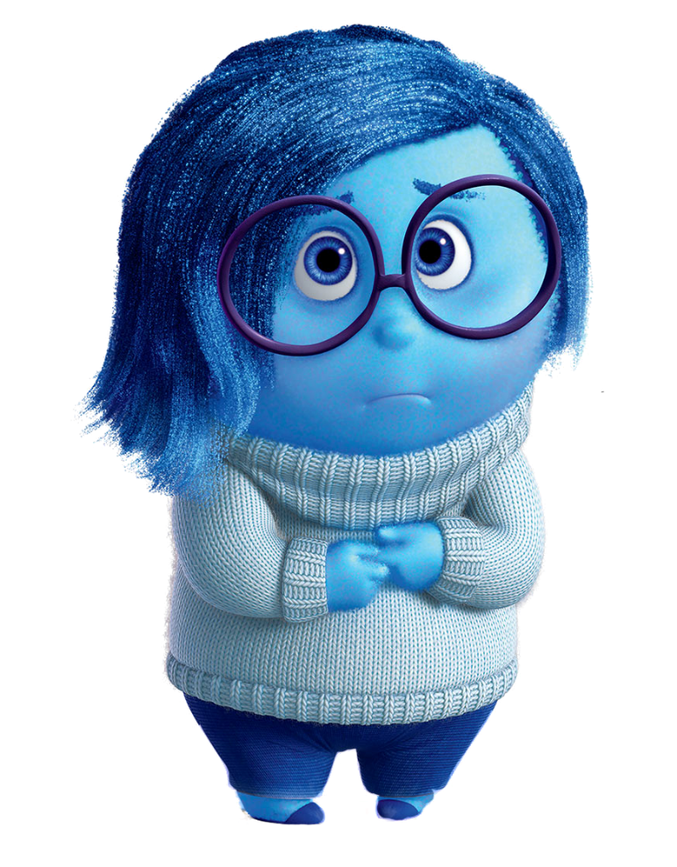
22 | 139 | Rachel | Neutral lip positions, neutral eyebrows, and neutral eyelids, nose in a general resting position. | Yes. | 16 | 71 | Ross | Inner corners of eyebrows raised, eyelids loose, lip corners pulled down | No, joy more than anything else. | 50 | 28 | Chandler | Entire eyebrow pulled up, eyelids pulled up, mouth hangs open | Yes, raises eyebrows slightly, mouth open, surprise moreso in voice though.
23 | 126 | Rachel | Neutral lip positions, neutral eyebrows, and neutral eyelids, nose in a general resting position. | No, Rachel is mostly smiling throughout the clip. | 17 | 57 | Phoebe | Inner corners of eyebrows raised, eyelids loose, lip corners pulled down | Yes | 53 | 38 | Chandler | Entire eyebrow pulled up, eyelids pulled up, mouth hangs open | Surprise overlapping with anger. Not inaccurate, but not useful.
24 | 44 | Ben | Neutral lip positions, neutral eyebrows, and neutral eyelids, nose in a general resting position. | No, Ben is smiling. The corners of his mouth are raised. | 57 | 124 | Ross | Inner corners of eyebrows raised, eyelids loose, lip corners pulled down | No, smiles and the rest is more neutral than a resemblance of sadness | 60 | 124 | Joey | Entire eyebrow pulled up, eyelids pulled up, mouth hangs open | Yes.
32 | 66 | Rachel | Neutral lip positions, neutral eyebrows, and neutral eyelids, nose in a general resting position. | Video does not align with the landmarks or tekst. | 67 | 150 | Phoebe | Inner corners of eyebrows raised, eyelids loose, lip corners pulled down | Yes, albeit dual-frame quick smiles that concatenates with sadness at times. | 88 | 58 | Rachel | Entire eyebrow pulled up, eyelids pulled up, mouth hangs open | Yes.
33 | 161 | Rachel | Neutral lip positions, neutral eyebrows, and neutral eyelids, nose in a general resting position. | Duplicate of earlier neutral clip. | 68 | 9 | Phoebe | Inner corners of eyebrows raised, eyelids loose, lip corners pulled down | Yes. | 97 | 38 | Leslie | Entire eyebrow pulled up, eyelids pulled up, mouth hangs open | Yes.
37 | 57 | Joey | Neutral lip positions, neutral eyebrows, and neutral eyelids, nose in a general resting position. | No, clearest clip of how the emotion of surprise should look. | 69 | 159 | Phoebe | Inner corners of eyebrows raised, eyelids loose, lip corners pulled down | Yes. | 102 | 13 | Monica | Entire eyebrow pulled up, eyelids pulled up, mouth hangs open | No, signs of joy instead. Clip is from a weird angle, however, explains why.
38 | 146 | Joey | Neutral lip positions, neutral eyebrows, and neutral eyelids, nose in a general resting position. | Yes. | 70 | 184 | Phoebe | Inner corners of eyebrows raised, eyelids loose, lip corners pulled down | Yes. | 109 | 18 | Mischa | Entire eyebrow pulled up, eyelids pulled up, mouth hangs open | Yes.
40 | 375 | Joey | Neutral lip positions, neutral eyebrows, and neutral eyelids, nose in a general resting position. | Yes, joy in the final few frames, however. | 78 | 19 | Phoebe | Inner corners of eyebrows raised, eyelids loose, lip corners pulled down | Yes. | 115 | 63 | Monica | Entire eyebrow pulled up, eyelids pulled up, mouth hangs open | Yes.
45 | 117 | Chandler | Neutral lip positions, neutral eyebrows, and neutral eyelids, nose in a general resting position. | Yes. | 82 | 15 | Rachel | Inner corners of eyebrows raised, eyelids loose, lip corners pulled down | No, neutral expression and sideways clip, explains why. | 137 | 70 | Rachel | Entire eyebrow pulled up, eyelids pulled up, mouth hangs open | Yes. Signs of joy as well however.
49 | 72 | Joey | Neutral lip positions, neutral eyebrows, and neutral eyelids, nose in a general resting position. | No, Joey is showing joy in almost every frame | 133 | 151 | Phoebe | Inner corners of eyebrows raised, eyelids loose, lip corners pulled down | Only a few frames, rest is more neutral. | 141 | 23 | Tom | Entire eyebrow pulled up, eyelids pulled up, mouth hangs open | No, more signs of anger and disgust rather than surprise.
51 | 46 | Joey | Neutral lip positions, neutral eyebrows, and neutral eyelids, nose in a general resting position. | Yes. | 143 | 62 | Tom | Inner corners of eyebrows raised, eyelids loose, lip corners pulled down | Yes. | 153 | 75 | Rachel | Entire eyebrow pulled up, eyelids pulled up, mouth hangs open | Yes, signs of joy as well.
55 | 68 | Ross | Neutral lip positions, neutral eyebrows, and neutral eyelids, nose in a general resting position. | Yes. | 171 | 60 | Monica | Inner corners of eyebrows raised, eyelids loose, lip corners pulled down | No, only one-two frames shows a sign of sadness, rest is rather neutral. | 159 | 119 | Rachel | Entire eyebrow pulled up, eyelids pulled up, mouth hangs open | No, more signs of joy than anything resembling surprise.
61 | 48 | Joey | Neutral lip positions, neutral eyebrows, and neutral eyelids, nose in a general resting position. | No, more signs of surprise than a neutral facial expression. | 221 | 33 | Rachel | Inner corners of eyebrows raised, eyelids loose, lip corners pulled down | No, in voice she does sound sad, however. | 169 | 117 | Joey | Entire eyebrow pulled up, eyelids pulled up, mouth hangs open | Yes.
62 | 12 | Ross | Neutral lip positions, neutral eyebrows, and neutral eyelids, nose in a general resting position. | No, more signs of joy, Ross is smiling throughout the clip. | 223 | 23 | Phoebe | Inner corners of eyebrows raised, eyelids loose, lip corners pulled down | Yes. | 170 | 81 | Joey | Entire eyebrow pulled up, eyelids pulled up, mouth hangs open | Yes, overlap with 169 however.
63 | 38 | Ross | Neutral lip positions, neutral eyebrows, and neutral eyelids, nose in a general resting position. | Yes, last frame is surprise, though. | 225 | 47 | Rachel | Inner corners of eyebrows raised, eyelids loose, lip corners pulled down | Yes. | 186 | 25 | Mona | Entire eyebrow pulled up, eyelids pulled up, mouth hangs open | Yes.
64 | 70 | Ross | Neutral lip positions, neutral eyebrows, and neutral eyelids, nose in a general resting position. | Yes. | 234 | 48 | Mona | Inner corners of eyebrows raised, eyelids loose, lip corners pulled down | Yes | 192 | 14 | Ross | Entire eyebrow pulled up, eyelids pulled up, mouth hangs open | Yes.
65 | 96 | Ross | Neutral lip positions, neutral eyebrows, and neutral eyelids, nose in a general resting position. | Yes. | 266 | 47 | Monica | Inner corners of eyebrows raised, eyelids loose, lip corners pulled down | Yes. | 197 | 7 | Mona | Entire eyebrow pulled up, eyelids pulled up, mouth hangs open | Yes.
66 | 77 | Monica | Neutral lip positions, neutral eyebrows, and neutral eyelids, nose in a general resting position. | Yes, sign of contempt at the final frames (contempt is NOT covered) | 283 | 2 | Ross | Inner corners of eyebrows raised, eyelids loose, lip corners pulled down | Yes. | 203 | 25 | Joey | Entire eyebrow pulled up, eyelids pulled up, mouth hangs open | Yes.
71 | 80 | Monica | Neutral lip positions, neutral eyebrows, and neutral eyelids, nose in a general resting position. | Yes. | 292 | 31 | Phoebe | Inner corners of eyebrows raised, eyelids loose, lip corners pulled down | No, Phoebe has a rather neutral expression with a smile near the end. | 207 | 100 | Chandler | Entire eyebrow pulled up, eyelids pulled up, mouth hangs open | Yes, however, at the end of the clip so it's likely that it's unproperly cropped.
73 | 22 | Monica | Neutral lip positions, neutral eyebrows, and neutral eyelids, nose in a general resting position. | Yes. |  |  |  |  |  | 211 | 35 | Joey | Entire eyebrow pulled up, eyelids pulled up, mouth hangs open | Yes, only for a few frames, however.
74 | 43 | Phoebe | Neutral lip positions, neutral eyebrows, and neutral eyelids, nose in a general resting position. | Yes. |  |  |  |  |  | 212 | 30 | Chandler | Entire eyebrow pulled up, eyelids pulled up, mouth hangs open | Yes.
75 | 34 | Monica | Neutral lip positions, neutral eyebrows, and neutral eyelids, nose in a general resting position. | No, shows an expression of joy for most of the frames. |  |  |  |  |  | 215 | 10 | Joey | Entire eyebrow pulled up, eyelids pulled up, mouth hangs open | Yes.
76 | 52 | Phoebe | Neutral lip positions, neutral eyebrows, and neutral eyelids, nose in a general resting position. | Yes. |  |  |  |  |  | 222 | 82 | Phoebe | Entire eyebrow pulled up, eyelids pulled up, mouth hangs open | Yes.
77 | 15 | Monica | Neutral lip positions, neutral eyebrows, and neutral eyelids, nose in a general resting position. | Yes. |  |  |  |  |  | 224 | 72 | Phoebe | Entire eyebrow pulled up, eyelids pulled up, mouth hangs open | Yes.
81 | 68 | Ross | Neutral lip positions, neutral eyebrows, and neutral eyelids, nose in a general resting position. | Yes. |  |  |  |  |  | 250 | 43 | Chandler | Entire eyebrow pulled up, eyelids pulled up, mouth hangs open | Yes.
83 | 110 | Ross | Neutral lip positions, neutral eyebrows, and neutral eyelids, nose in a general resting position. | Yes. |  |  |  |  |  | 251 | 91 | Chandler | Entire eyebrow pulled up, eyelids pulled up, mouth hangs open | Yes.
85 | 116 | Ross | Neutral lip positions, neutral eyebrows, and neutral eyelids, nose in a general resting position. | Yes. |  |  |  |  |  | 264 | 24 | Monica | Entire eyebrow pulled up, eyelids pulled up, mouth hangs open | The clip is not cropped properly and thus the data is unreliable.
89 | 104 | Ross | Neutral lip positions, neutral eyebrows, and neutral eyelids, nose in a general resting position. | No, shows signs of an expression of disgust and slight anger. |  |  |  |  |  | 271 | 39 | Ross | Entire eyebrow pulled up, eyelids pulled up, mouth hangs open | Yes.
92 | 226 | Phoebe | Neutral lip positions, neutral eyebrows, and neutral eyelids, nose in a general resting position. | Yes. |  |  |  |  |  | 279 | 16 | Ross | Entire eyebrow pulled up, eyelids pulled up, mouth hangs open | Yes.
95 | 119 | Leslie | Neutral lip positions, neutral eyebrows, and neutral eyelids, nose in a general resting position. | Yes, signs of joy towards the end, majority of the clip is neutral. |  |  |  |  |  | 287 | 58 | Rachel | Entire eyebrow pulled up, eyelids pulled up, mouth hangs open | Yes.
96 | 52 | Phoebe | Neutral lip positions, neutral eyebrows, and neutral eyelids, nose in a general resting position. | Yes. |  |  |  |  |  | 293 | 10 | Rachel | Entire eyebrow pulled up, eyelids pulled up, mouth hangs open | Yes.
98 | 82 | Phoebe | Neutral lip positions, neutral eyebrows, and neutral eyelids, nose in a general resting position. | No, shows joy (smiling) and an element of surprise but no real neutrality. |  |  |  |  |  | 300 | 33 | Joey | Entire eyebrow pulled up, eyelids pulled up, mouth hangs open | Yes.
99 | 55 | Phoebe | Neutral lip positions, neutral eyebrows, and neutral eyelids, nose in a general resting position. | Yes, albeit a sign of contempt and a sign of joy (the orbicularis occuli).
100 | 9 | Ross | Neutral lip positions, neutral eyebrows, and neutral eyelids, nose in a general resting position. | Yes.
101 | 30 | Ross | Neutral lip positions, neutral eyebrows, and neutral eyelids, nose in a general resting position. | Yes.
104 | 80 | Mischa | Neutral lip positions, neutral eyebrows, and neutral eyelids, nose in a general resting position. | Yes, albeit two-three frames show slight surprise during dialogue.
107 | 33 | Mischa | Neutral lip positions, neutral eyebrows, and neutral eyelids, nose in a general resting position. | Yes, overlaps with 106, shows the neutrality mentioned on the clip.
110 | 45 | Phoebe | Neutral lip positions, neutral eyebrows, and neutral eyelids, nose in a general resting position. | Yes.
111 | 58 | Monica | Neutral lip positions, neutral eyebrows, and neutral eyelids, nose in a general resting position. | Yes.
114 | 39 | Phoebe | Neutral lip positions, neutral eyebrows, and neutral eyelids, nose in a general resting position. | Yes.
116 | 18 | Phoebe | Neutral lip positions, neutral eyebrows, and neutral eyelids, nose in a general resting position. | No, she's smiling wide albeit done out of anger; it is not a neutral expression.
117 | 189 | Phoebe | Neutral lip positions, neutral eyebrows, and neutral eyelids, nose in a general resting position. | Yes, majority of the clip is neutral.
118 | 46 | Phoebe | Neutral lip positions, neutral eyebrows, and neutral eyelids, nose in a general resting position. | Yes.
119 | 13 | Mischa | Neutral lip positions, neutral eyebrows, and neutral eyelids, nose in a general resting position. | Video is cropped incorrectly. Safe to say it's a neutral emotional state from this clip, however.
120 | 26 | Mischa | Neutral lip positions, neutral eyebrows, and neutral eyelids, nose in a general resting position. | Yes.
121 | 44 | Phoebe | Neutral lip positions, neutral eyebrows, and neutral eyelids, nose in a general resting position. | Yes.
123 | 33 | Phoebe | Neutral lip positions, neutral eyebrows, and neutral eyelids, nose in a general resting position. | Yes.
124 | 33 | Richard | Neutral lip positions, neutral eyebrows, and neutral eyelids, nose in a general resting position. | No, Richard shows clear signs of anger in most frames.
130 | 21 | Phoebe | Neutral lip positions, neutral eyebrows, and neutral eyelids, nose in a general resting position. | Yes.
132 | 42 | Monica | Neutral lip positions, neutral eyebrows, and neutral eyelids, nose in a general resting position. | No, more signs of fear and sadness just like Rachel in the previous clip (same sequence).
134 | 15 | Rachel | Neutral lip positions, neutral eyebrows, and neutral eyelids, nose in a general resting position. | Yes.
135 | 12 | Monica | Neutral lip positions, neutral eyebrows, and neutral eyelids, nose in a general resting position. | No, joy more than any form of neutral expression.
136 | 24 | Rachel | Neutral lip positions, neutral eyebrows, and neutral eyelids, nose in a general resting position. | No, slight signs of fear.
139 | 107 | Tom | Neutral lip positions, neutral eyebrows, and neutral eyelids, nose in a general resting position. | No, Tom is smiling throughout most of the frames.
140 | 50 | Rachel | Neutral lip positions, neutral eyebrows, and neutral eyelids, nose in a general resting position. | Yes.
142 | 70 | Rachel | Neutral lip positions, neutral eyebrows, and neutral eyelids, nose in a general resting position. | No, signs of joy as she's mostly smiling throughout the clip.
146 | 84 | Rachel | Neutral lip positions, neutral eyebrows, and neutral eyelids, nose in a general resting position. | No, yet again more signs of joy as she's mostly smiling.
147 | 25 | Monica | Neutral lip positions, neutral eyebrows, and neutral eyelids, nose in a general resting position. | Yes.
149 | 19 | Danny | Neutral lip positions, neutral eyebrows, and neutral eyelids, nose in a general resting position. | Yes.
150 | 113 | Rachel | Neutral lip positions, neutral eyebrows, and neutral eyelids, nose in a general resting position. | Yes, joy in the first few frames, however.
151 | 37 | Monica | Neutral lip positions, neutral eyebrows, and neutral eyelids, nose in a general resting position. | Yes.
152 | 200 | Rachel | Neutral lip positions, neutral eyebrows, and neutral eyelids, nose in a general resting position. | Yes.
155 | 120 | Ross | Neutral lip positions, neutral eyebrows, and neutral eyelids, nose in a general resting position. | Yes.
158 | 33 | Rachel | Neutral lip positions, neutral eyebrows, and neutral eyelids, nose in a general resting position. | Yes.
161 | 33 | Joey | Neutral lip positions, neutral eyebrows, and neutral eyelids, nose in a general resting position. | Yes.
163 | 36 | Joey | Neutral lip positions, neutral eyebrows, and neutral eyelids, nose in a general resting position. | No, Joey shows clear surprise.
164 | 58 | Katie | Neutral lip positions, neutral eyebrows, and neutral eyelids, nose in a general resting position. | No, Katie shows signs of anger in her face.
165 | 23 | Joey | Neutral lip positions, neutral eyebrows, and neutral eyelids, nose in a general resting position. | Yes, signs of confusion, though; however, confusion is not an emotion covered.
167 | 7 | Chandler | Neutral lip positions, neutral eyebrows, and neutral eyelids, nose in a general resting position. | Yes, however, neither the speaker nor words spoken align with the cropped video
172 | 25 | Chandler | Neutral lip positions, neutral eyebrows, and neutral eyelids, nose in a general resting position. | Yes, even though, Chandler is smiling, his lips and other features are in a neutral position.
174 | 80 | Monica | Neutral lip positions, neutral eyebrows, and neutral eyelids, nose in a general resting position. | Yes.
176 | 174 | Monica | Neutral lip positions, neutral eyebrows, and neutral eyelids, nose in a general resting position. | Yes, signs of joy towards the end, majority of the clip is neutral.
177 | 42 | Joey | Neutral lip positions, neutral eyebrows, and neutral eyelids, nose in a general resting position. | Yes.
178 | 50 | Joey | Neutral lip positions, neutral eyebrows, and neutral eyelids, nose in a general resting position. | No, the few frames his face was visible it was joy for the majority of those frames.
180 | 60 | Chandler | Neutral lip positions, neutral eyebrows, and neutral eyelids, nose in a general resting position. | Yes.
181 | 121 | Ross | Neutral lip positions, neutral eyebrows, and neutral eyelids, nose in a general resting position. | Yes.
183 | 93 | Ross | Neutral lip positions, neutral eyebrows, and neutral eyelids, nose in a general resting position. | Yes.
184 | 73 | Dr. Ledbetter | Neutral lip positions, neutral eyebrows, and neutral eyelids, nose in a general resting position. | Yes.
201 | 53 | Joey | Neutral lip positions, neutral eyebrows, and neutral eyelids, nose in a general resting position. | Yes.
202 | 90 | Chandler | Neutral lip positions, neutral eyebrows, and neutral eyelids, nose in a general resting position. | Yes.
204 | 3 | Chandler | Neutral lip positions, neutral eyebrows, and neutral eyelids, nose in a general resting position. | Yes, incorrectly cropped however.
205 | 114 | Chandler | Neutral lip positions, neutral eyebrows, and neutral eyelids, nose in a general resting position. | Yes.
206 | 104 | Chandler | Neutral lip positions, neutral eyebrows, and neutral eyelids, nose in a general resting position. | Yes.
209 | 51 | Chandler | Neutral lip positions, neutral eyebrows, and neutral eyelids, nose in a general resting position. | Yes.
210 | 55 | Chandler | Neutral lip positions, neutral eyebrows, and neutral eyelids, nose in a general resting position. | Yes.
213 | 12 | Joey | Neutral lip positions, neutral eyebrows, and neutral eyelids, nose in a general resting position. | Yes.
216 | 34 | Phoebe | Neutral lip positions, neutral eyebrows, and neutral eyelids, nose in a general resting position. | Yes, incorrectly cropped however.
217 | 27 | Rachel | Neutral lip positions, neutral eyebrows, and neutral eyelids, nose in a general resting position. | Yes.
227 | 47 | Joey | Neutral lip positions, neutral eyebrows, and neutral eyelids, nose in a general resting position. | Yes.
228 | 29 | Joey | Neutral lip positions, neutral eyebrows, and neutral eyelids, nose in a general resting position. | No, laughs in most frames.
229 | 74 | Joey | Neutral lip positions, neutral eyebrows, and neutral eyelids, nose in a general resting position. | No, laughs in the majority of the frames.
230 | 42 | Monica | Neutral lip positions, neutral eyebrows, and neutral eyelids, nose in a general resting position. | Yes.
231 | 63 | Joey | Neutral lip positions, neutral eyebrows, and neutral eyelids, nose in a general resting position. | Yes, laughing at the end, however.
232 | 39 | Rachel | Neutral lip positions, neutral eyebrows, and neutral eyelids, nose in a general resting position. | Yes.
233 | 20 | Ross | Neutral lip positions, neutral eyebrows, and neutral eyelids, nose in a general resting position. | Yes.
236 | 1 | Mona | Neutral lip positions, neutral eyebrows, and neutral eyelids, nose in a general resting position. | No, she can be seen smiling in this one frame.
237 | 33 | Mona | Neutral lip positions, neutral eyebrows, and neutral eyelids, nose in a general resting position. | Yes.
240 | 48 | Chandler | Neutral lip positions, neutral eyebrows, and neutral eyelids, nose in a general resting position. | Yes.
242 | 33 | Monica | Neutral lip positions, neutral eyebrows, and neutral eyelids, nose in a general resting position. | Yes.
243 | 69 | Monica | Neutral lip positions, neutral eyebrows, and neutral eyelids, nose in a general resting position. | Yes.
246 | 10 | Monica | Neutral lip positions, neutral eyebrows, and neutral eyelids, nose in a general resting position. | Yes.
247 | 77 | Rachel | Neutral lip positions, neutral eyebrows, and neutral eyelids, nose in a general resting position. | Yes.
248 | 102 | Chandler | Neutral lip positions, neutral eyebrows, and neutral eyelids, nose in a general resting position. | Yes.
249 | 23 | Joey | Neutral lip positions, neutral eyebrows, and neutral eyelids, nose in a general resting position. | Yes.
252 | 24 | Joey | Neutral lip positions, neutral eyebrows, and neutral eyelids, nose in a general resting position. | Yes.
255 | 55 | Chandler | Neutral lip positions, neutral eyebrows, and neutral eyelids, nose in a general resting position. | Yes.
256 | 50 | Joey | Neutral lip positions, neutral eyebrows, and neutral eyelids, nose in a general resting position. | Yes.
257 | 45 | Joey | Neutral lip positions, neutral eyebrows, and neutral eyelids, nose in a general resting position. | Yes.
258 | 35 | Joey | Neutral lip positions, neutral eyebrows, and neutral eyelids, nose in a general resting position. | Yes.
259 | 13 | Joey | Neutral lip positions, neutral eyebrows, and neutral eyelids, nose in a general resting position. | Yes.
260 | 33 | Joey | Neutral lip positions, neutral eyebrows, and neutral eyelids, nose in a general resting position. | Yes.
262 | 18 | Joey | Neutral lip positions, neutral eyebrows, and neutral eyelids, nose in a general resting position. | Yes
263 | 11 | Chandler | Neutral lip positions, neutral eyebrows, and neutral eyelids, nose in a general resting position. | Yes.
265 | 46 | Phoebe | Neutral lip positions, neutral eyebrows, and neutral eyelids, nose in a general resting position. | Yes.
268 | 26 | Ross | Neutral lip positions, neutral eyebrows, and neutral eyelids, nose in a general resting position. | Yes.
269 | 17 | Joey | Neutral lip positions, neutral eyebrows, and neutral eyelids, nose in a general resting position. | Yes.
270 | 28 | Rachel | Neutral lip positions, neutral eyebrows, and neutral eyelids, nose in a general resting position. | Yes.
272 | 69 | Phoebe | Neutral lip positions, neutral eyebrows, and neutral eyelids, nose in a general resting position. | Yes.
273 | 86 | Ross | Neutral lip positions, neutral eyebrows, and neutral eyelids, nose in a general resting position. | Yes.
274 | 38 | Phoebe | Neutral lip positions, neutral eyebrows, and neutral eyelids, nose in a general resting position. | Yes.
276 | 65 | Phoebe | Neutral lip positions, neutral eyebrows, and neutral eyelids, nose in a general resting position. | Yes.
278 | 98 | Phoebe | Neutral lip positions, neutral eyebrows, and neutral eyelids, nose in a general resting position. | Yes.
280 | 32 | Ross | Neutral lip positions, neutral eyebrows, and neutral eyelids, nose in a general resting position. | Yes.
281 | 61 | Ross | Neutral lip positions, neutral eyebrows, and neutral eyelids, nose in a general resting position. | No, in most of the frames, fear can be seen on Ross' face.
282 | 96 | Ross | Neutral lip positions, neutral eyebrows, and neutral eyelids, nose in a general resting position. | Yes.
284 | 89 | Phoebe | Neutral lip positions, neutral eyebrows, and neutral eyelids, nose in a general resting position. | Yes.
285 | 51 | Phoebe | Neutral lip positions, neutral eyebrows, and neutral eyelids, nose in a general resting position. | Yes.
286 | 86 | Phoebe | Neutral lip positions, neutral eyebrows, and neutral eyelids, nose in a general resting position. | Yes.
291 | 22 | Monica | Neutral lip positions, neutral eyebrows, and neutral eyelids, nose in a general resting position. | Yes.
294 | 14 | Joey | Neutral lip positions, neutral eyebrows, and neutral eyelids, nose in a general resting position. | Yes.
295 | 26 | Chandler | Neutral lip positions, neutral eyebrows, and neutral eyelids, nose in a general resting position. | Yes.
296 | 34 | Monica | Neutral lip positions, neutral eyebrows, and neutral eyelids, nose in a general resting position. | Yes.
297 | 15 | Phoebe | Neutral lip positions, neutral eyebrows, and neutral eyelids, nose in a general resting position. | No, not properly cropped thus unreliable.
298 | 63 | Ross | Neutral lip positions, neutral eyebrows, and neutral eyelids, nose in a general resting position. | Yes.

Sheet3
Representation of emotions in acc/inacc/inv cases - 300 clips sample without neutral cases.
 | Accurate | Inaccurate | Invalid | Total
Anger | 20 | 11 | 1 | 31
Disgust | 9 | 0 | 0 | 9
Fear | 8 | 1 | 0 | 9
Joy | 28 | 14 | 5 | 42
Sadness | 19 | 6 | 0 | 25
Surprise | 31 | 4 | 3 | 35
Emotion | Accurate | Inaccurate | Invalid | Total | %
Anger | 20 | 11 | 1 | 31 | 64.516129032
Disgust | 9 | 0 | 0 | 9 | 100
Fear | 8 | 1 | 0 | 9 | 88.888888889
Joy | 28 | 14 | 5 | 42 | 66.666666667
Neutral | 108 | 25 | 7 | 133 | 81.203007519
Sadness | 19 | 6 | 0 | 25 | 76
Surprise | 31 | 4 | 3 | 35 | 88.571428571
 |  |  | 16 | 300 | 5.3333333333

